JOINS PRATICE
S.NO | JOINS TYPE | QUESTIONS | SOLUTION | RESULT IMAGE
1 | INNER JOIN | Write a query to get customer names and their order IDs. | SELECT a.cust_name,c.order_id FROM customers a Inner join sales_request b ON a.customer_id = b.customer_id Inner join sales_order c On b.request_id = c.request_id; | 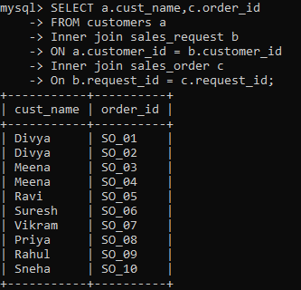
2 | INNER JOINS | Get: customer name, product name, order_status, payment_status, paid_amount - Only for CONFIRMED orders. | SELECT a.cust_name,b.product_name,c.order_status,d.payment_status,d.paid_amount from customers a Inner join sales_request e ON a.customer_id = e.customer_id Inner join products b On e.product_id = b.product_id Inner join sales_order c On e.request_id = c.request_id Inner join payment d On c.order_id = d.order_id WHERE c.order_status='CONFIRMED'; | 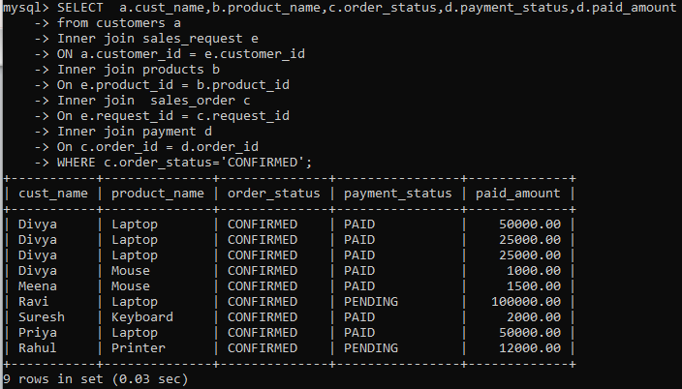
3 | LEFT JOIN | Get all customers and their request_id. Even if customer never placed a request. | select a.*,b.request_id From Customers a LEFT join sales_request b On a.customer_id = b. customer_id; | 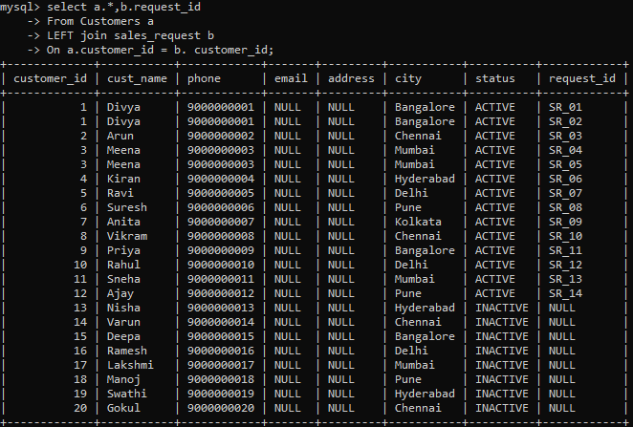
4 | LEFT JOIN | List all customers with: Total approved_amount, Total paid_amount - Even if they: Never placed request, Never got order, Never made payment | select a.cust_name,SUM(c.approved_amount),SUM(d.paid_amount) from Customers a LEFT join sales_request b On a.customer_id = b.customer_id LEFT join sales_order c On b.request_id = c.request_id LEFT join payment d On c.order_id = d.order_id GROUP BY a.cust_name; | 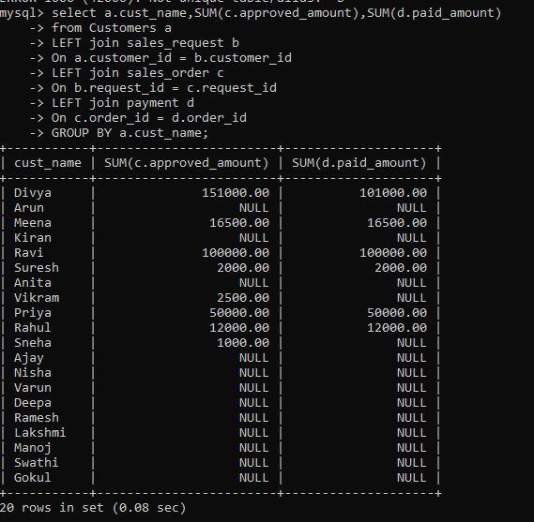
5 | RIGHT JOIN | Get all sales_orders and their customer names. Even if request or customer is missing. | select c.*,a.cust_name from Customers a RIGHT join sales_request b On a.customer_id = b.customer_id RIGHT join sales_order c On b.request_id = c.request_id; | Image not attached
6 | RIGHT JOIN | Show all payments with: order_status, customer name Even if order is missing in sales_order. | select d.*,c.order_status,a.cust_name from Customers a RIGHT join sales_request b On a.customer_id = b.customer_id RIGHT join sales_order c On b.request_id = c.request_id RIGHT join payment d On c.order_id = d.order_id; | 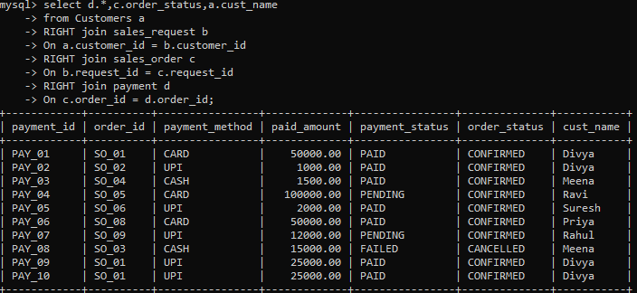
7 | FULL JOIN | Show all customers and all sales_requests Even if:Customer has no request | SELECT a.customer_id, a.cust_name, b.request_id, b.product_id FROM customers a LEFT JOIN sales_request b ON a.customer_id = b.customer_id UNION SELECT a.customer_id, a.cust_name, b.request_id, b.product_id FROM customers a RIGHT JOIN sales_request b ON a.customer_id = b.customer_id; | 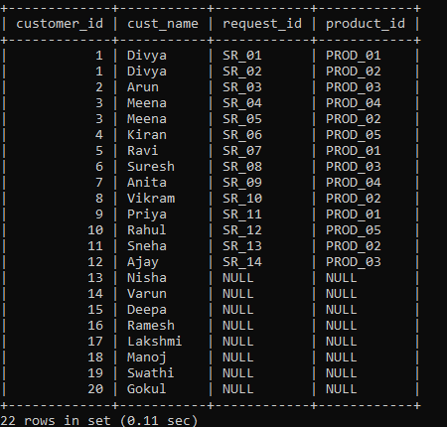
8 | FULL JOIN | Show all orders and all payments. Even if:Order has no payment, Payment has invalid order Return: order_id, payment_id, order_status, payment_statu | SELECT a.order_id, b.payment_id, a.order_status, b.payment_status FROM sales_order a LEFT JOIN payment b ON a.order_id = b.order_id UNION SELECT a.order_id, b.payment_id, a.order_status, b.payment_status FROM sales_order a RIGHT JOIN payment b ON a.order_id = b.order_id; | 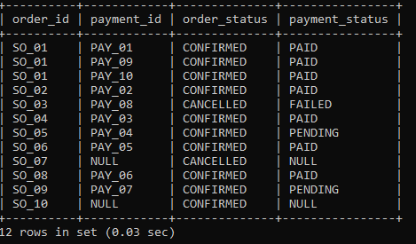

COMPLETED

